Sheet1
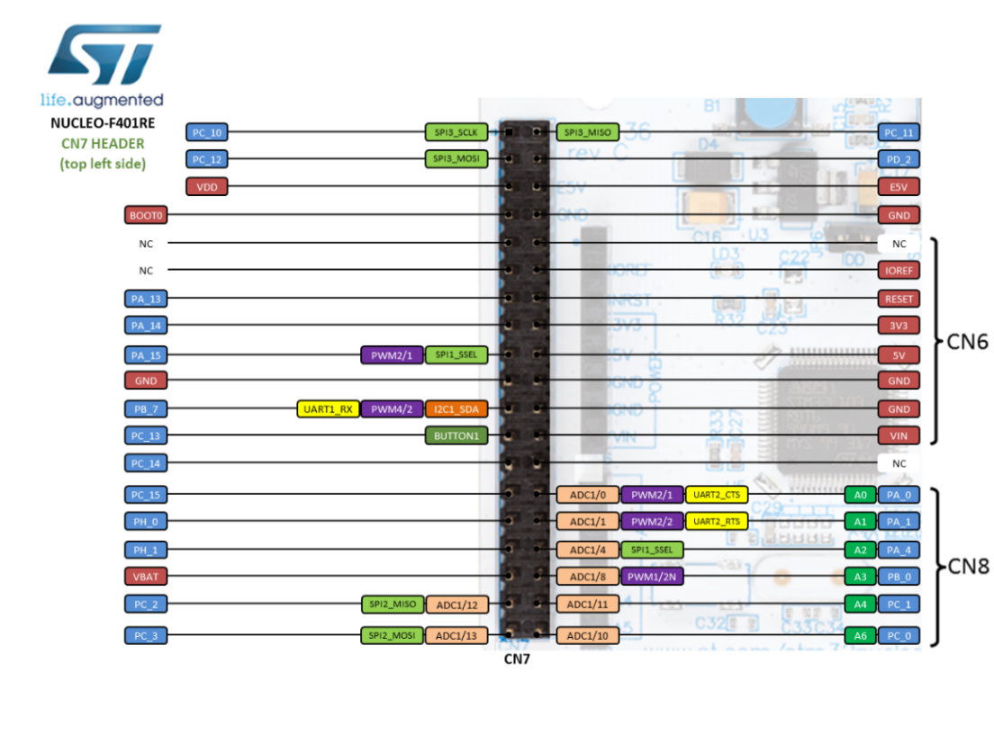
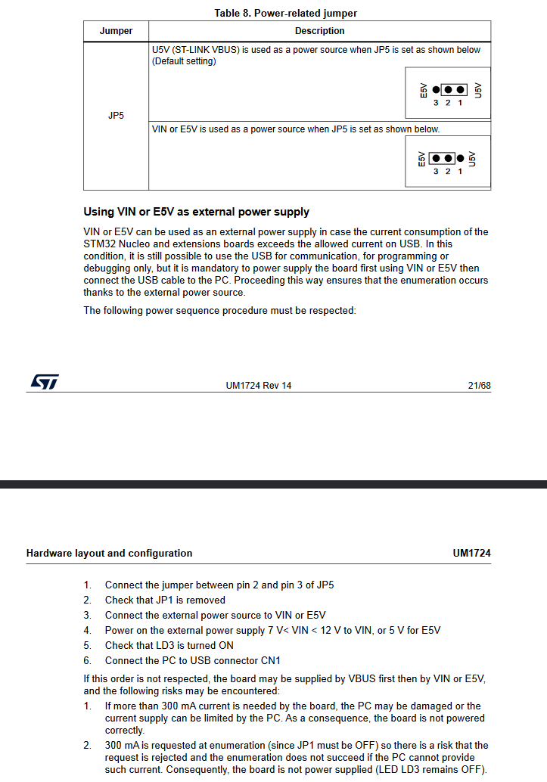
 | LeftMCU
Pin No. | PIN LABEL | CONNECTION | PIN LABEL | CONNECTION
1 | PC_10 |  | PC_11
2 | PC_12 |  | PD_2
3 | VDD |  | E5V | 5V_3
4 | BOOT0 |  | GND | GND_3 |  | COLOR CODE
5 | NC |  | NC |  |  | LEFT (DARKER) | RIGHT
6 | NC |  | IOREF |  |  | LeftMCU | RightMCU
7 | PA_13 |  | RESET |  |  | MOTOR DRIVER
8 | PA_14 |  | 3V3 |  |  | MOTOR L | MOTOR2 R
9 | PA_15 (TIM2C1) |  | 5V | BT VCC |  | SENSOR BOARD
10 | GND |  | GND | BT GND |  | BLUETOOTH
11 | PB_7 |  | GND
12 | PC_13 | X | VIN
13 | PC_14 | X | NC
14 | PC_15 | X | PA_0 (TIM5C1) | CHA
15 | PH_0 | X | PA_1 (TIM5C2) | CHB
16 | PH_1 | X | PA_4 | IN3
17 | VBAT |  | PB_0 | IN4
18 | PC_2 | IN1 | PC_1 | IN5
19 | PC_3 | IN2 | PC_0 | IN6

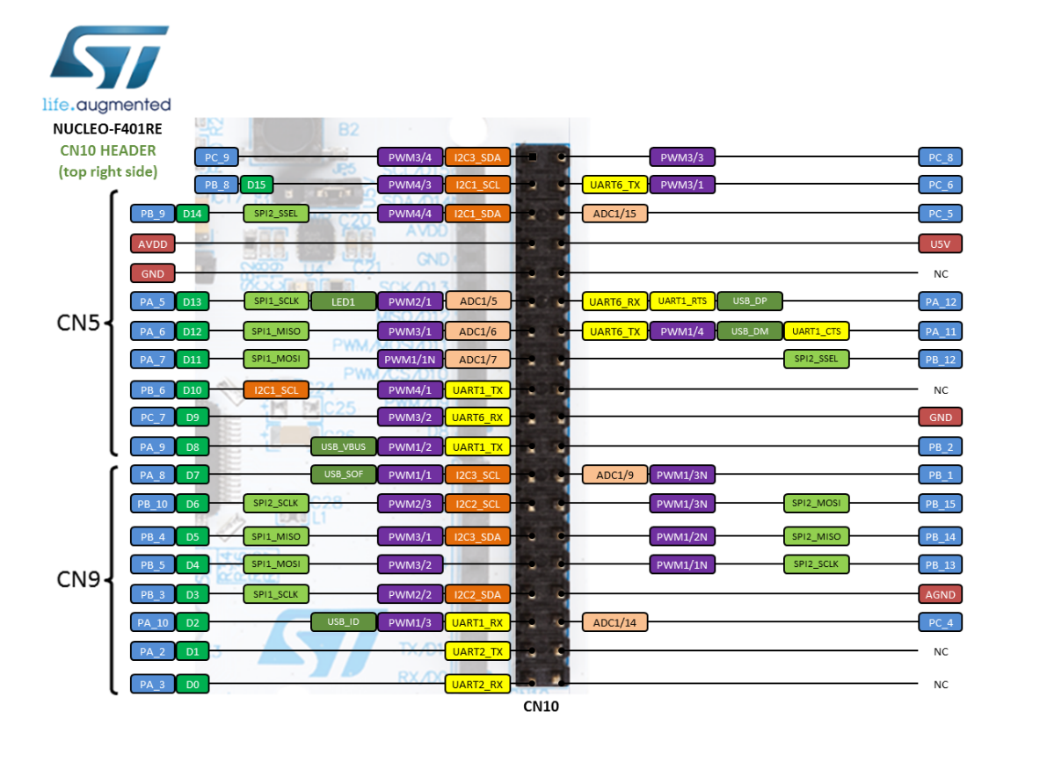
 | RightMCU
Pin No. | PIN LABEL | CONNECTION | PIN LABEL | CONNECTION
1 | PC_9 |  | PC_8
2 | PB_8 |  | PC_6
3 | PB_9 |  | PC_5
4 | AVDD |  | U5V
5 | GND |  | NC
6 | PA_5 | USED BY LED | PA_12 | BT - TX
7 | PA_6 | JP1a_1 | PA_11 | BT - RX
8 | PA_7 | JP1a_2 | PB_12
9 | PB_6 | JP1a_3 | NC
10 | PC_7 | JP1a_4 | GND
11 | PA_9 | JP1a_5 | PB_2 | OUT1
12 | PA_8 | JP1a_6 | PB_1 | OUT2
13 | PB_10 | Enable | PB_15 | OUT3
14 | PB_4 | MicroLan | PB_14 | OUT4
15 | PB_5 |  | PB_13 | OUT5
16 | PB_3 (TIM2C2) | CHA | AGND
17 | PA_10 | CHB | PC_4 | OUT6
18 | PA_2 (TIM2C3) | X USART | NC
19 | PA_3 (TIM2C4) | X USART | NC

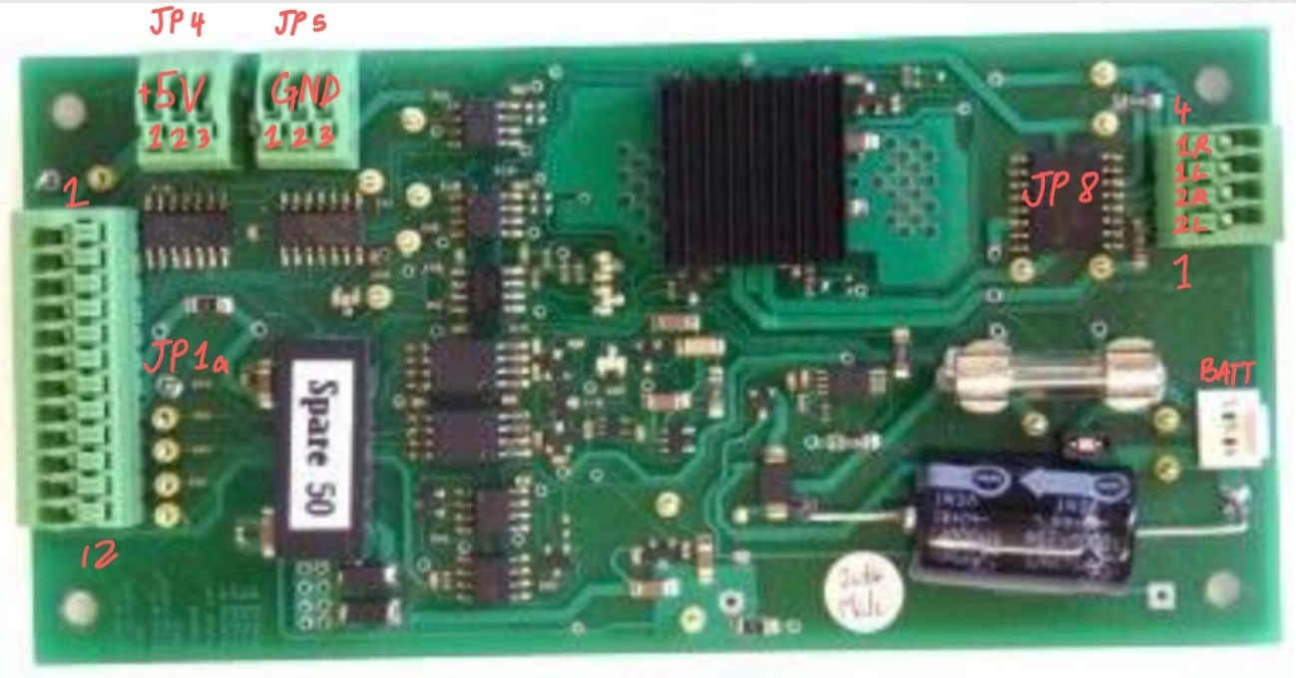
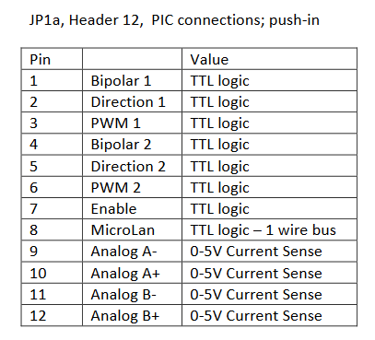
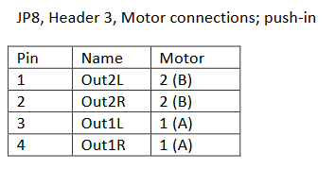
 | JP1a |  | JP8
Pin No. | PIN LABEL | CONNECTION | PIN LABEL | CONNECTION
1 | Bipolar 1 | PA_6 | 4 - Out1R | V+
2 | Direction 1 | PA_7 | 3 - Out1L | V-
3 | PWM 1 | PB_6 | 2 - Out2R | V+
4 | Bipolar 2 | PC_7 | 1 - Out2L | V-
5 | Direction 2 | PA_9
6 | PWM 2 | PA_8
7 | Enable | PB_10
8 | MicroLan | PB_4
9 | Analog A- | Not Important
10 | Analog A+ | Not Important
11 | Analog B- | Not Important
12 | Analog B- | Not Important

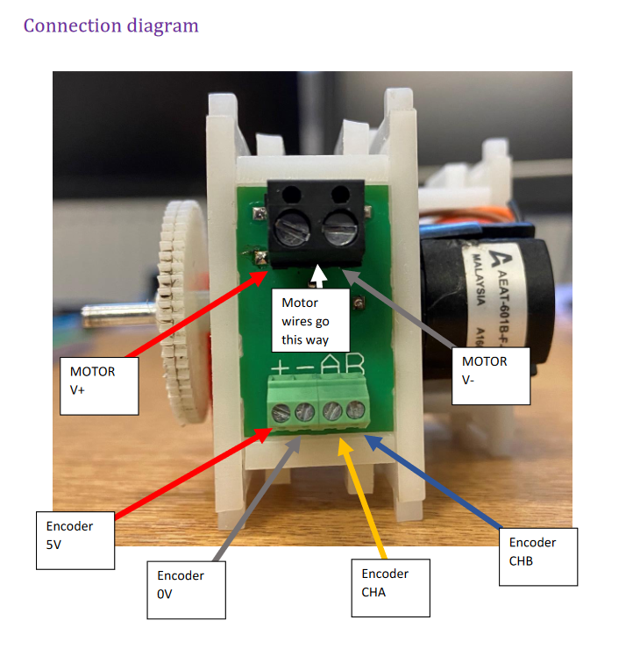
 | JP4 |  | JP5
Pin No. | PIN LABEL | CONNECTION | PIN LABEL | CONNECTION
1 | 5V_1 | Enc_5V | GND_1 | Enc_0V
2 | 5V_2 | Enc_5V | GND_2 | Enc_0V
3 | 5V_3 | 5V | GND_3 | GND

 | MOTORL |  | MOTORR
 | PIN LABEL | CONNECTION | PIN LABEL | CONNECTION
 | V+ | Out2R | V+ | Out1R
 | V- | Out2L | V- | Out1L
 | Enc_5V | 5V | Enc_5V | 5V
 | Enc_0V | GND | Enc_0V | GND
 | CHA | PA_2 (TIM2C3) | CHA | PA_0 (TIM5C3)
 | CHB | PA_3 (TIM2C4) | CHB | PA_1 (TIM2C4)

 | SENS_PWR
 | PIN LABEL | CONNECTION
 | 5V | 5V_3
 | GND | GND_3

 |  |  |  |  | Connect the flipped gearbox as if it is with flipped terminals
 | SENS_D_IN |  | SENS_A_OUT | NEEDS ADC
 | PIN LABEL | CONNECTION | PIN LABEL | CONNECTION
 | OUT1 | PB_2 | IN1 | PC_2
 | OUT2 | PB_1 | IN2 | PC_3
 | OUT3 | PB_15 | IN3 | PA_4
 | OUT4 | PB_14 | IN4 | PB_0
 | OUT5 | PB_13 | IN5 | PC_1
 | OUT6 | PC_4 | IN6 | PC_0

